Instructions
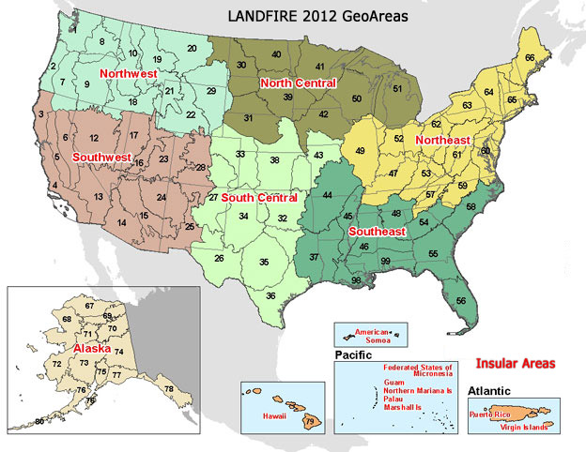
LANDFIRE BpS Model Review Search Spreadsheet

1. Use the filters or other Excel functions to find the BpS(s) of interest
2. Click the link in the "BpS Code" field to open the BpS description document as a Word document.

The "Regions" and "Map Zones" fields in the BpS Search tab are equivalent to LANDFIRE GeoAreas and Map Zones shown in the map below. The Insular Areas do not have BpS models at this time.

